TimeCalculation
Time Calculation |  |  |  |  |  | EXIT

 | Excel can work with time very easily.
 | Time can be entered in various different formats and calculations performed.
 | There are one or two oddities, but nothing which should put you off working with it.
 | See the TimeSheet example for an example.

 | Typing time
 | When time is entered into worksheet it should be entered with a colon between
 | the hour and the minutes, such as 12:30, rather than 12.30

 |  | 1:30:00 | 12:30:00 | 20:15:00 | 22:45:00

 | Excel can cope with either the 24hour system or the am/pm system.
 | To use the am/pm system you must enter the am or pm after the time.
 | You must leave a space between the number and the text.

 |  | 1:30:00 | 13:30:00 | 10:15:00 | 22:15:00

 | Finding the difference between two times
 | You can subtract two time values to find the length of time between.

 |  | Start | End | Duration
 |  | 1:30:00 | 2:30:00 | 1:00:00 | =D24-C24
 |  | 8:00:00 | 17:00:00 | 9:00:00 | =D25-C25
 |  | 8:00:00 | 17:00:00 | 9:00:00 | If the result is not shown correctly,
 |  |  |  |  | You may need to reformat the answer.
 |  |  |  |  | Look at the section about formatting
 |  |  |  |  | further in this worksheet.

 | Adding time
 | You can add time to find a total time.
 | This works well until the total time goes above 24 hours.
 | For totals greater than 24 hours you may need to apply some special formatting.

 |  | Start | End | Duration
 |  | 1:30:00 | 2:30:00 | 1:00:00
 |  | 8:00:00 | 17:00:00 | 9:00:00
 |  | 7:30:00 | 17:45:00 | 10:15:00
 |  |  |  | 20:15:00

 | Formatting time
 | When time is added together the result may go beyond 24 hours.
 | Usually this gives an incorrect result, as in the example below.
 | To correct this error, the result needs to be formatted with a Custom format.

 | Example 1 : Incorrect formatting
 |  | Start | End | Duration
 |  | 7:00:00 | 18:30:00 | 11:30:00
 |  | 8:00:00 | 17:00:00 | 9:00:00
 |  | 7:30:00 | 17:45:00 | 10:15:00
 |  |  | Total | 1900-01-01 06:45:00 | =SUM(E49:E51)

 | Example 2 : Correct formatting
 |  | Start | End | Duration
 |  | 7:00:00 | 18:30:00 | 11:30:00
 |  | 8:00:00 | 17:00:00 | 9:00:00
 |  | 7:30:00 | 17:45:00 | 10:15:00
 |  |  | Total | 30:45:00 | =SUM(E56:E58)

 | How To Apply Custom Formatting
 | The custom format for time use a pair of square brackets [hh] on either side
 | of the hours indicators.

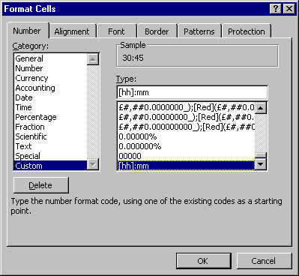
 | 1. Click on the cell which needs the format.
 | 2. Choose the Format menu.
 | 3. Choose Cells.
 | 4. Click the Number tag at the top right.
 | 5. Choose Custom.
 | 6. Click inside the Type: box.
 | 7. Type [hh]:mm as the format.
 | 8. Click OK to confirm.

